Product
Revisi / Berlaku : 05 / 10.03.2010
Lama Simpan : Selamanya

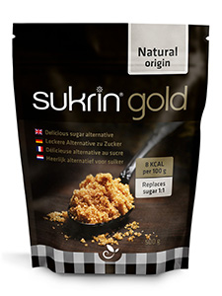

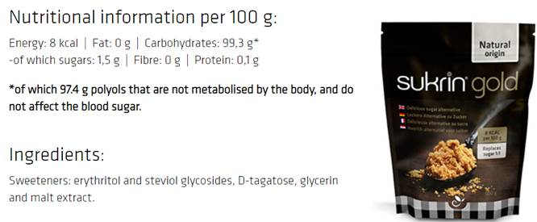

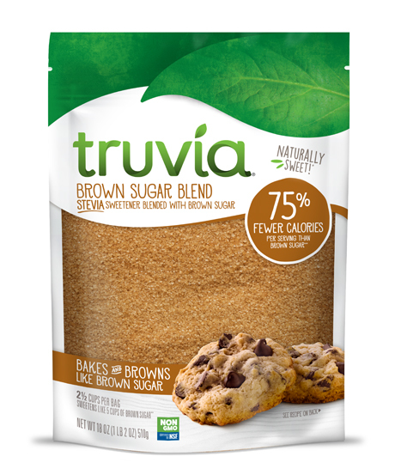

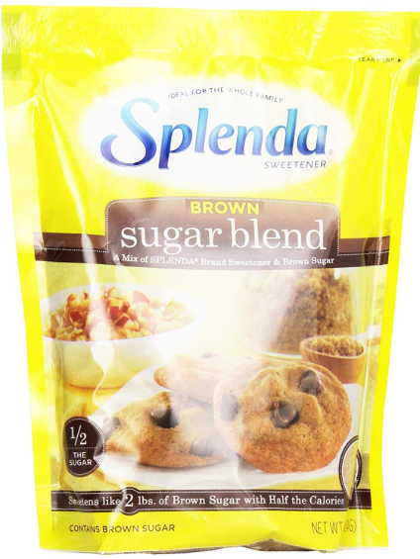

https://www.bukalapak.com/p/industrial/industrial-lainnya/2e83wnp-jual-sukrin-gold-brown-sugar?from=list-product&keyword=sukrin%20gold%20brown%20sugar&funnel=omnisearch&product_owner=normal_seller&pos=0&cf=1&ssa=0&sort_origin=relevansi&search_sort_default=true&promoted=0

